% Impact Price Change
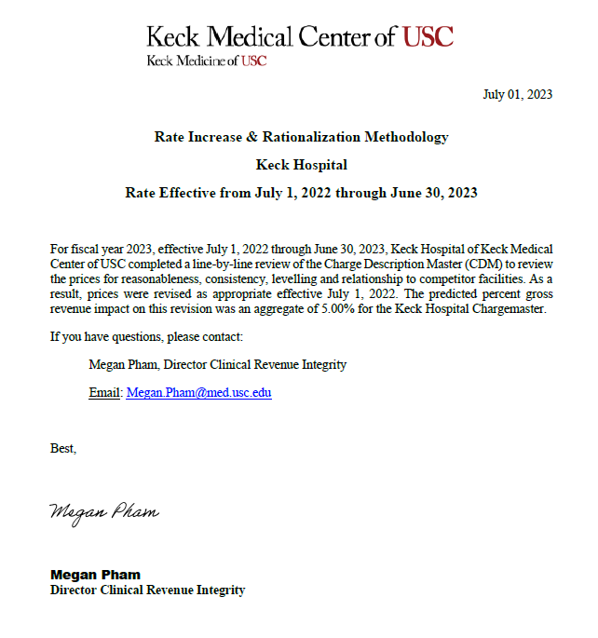
Total Gross Revenue (Old Price) | Total Gross Revenue (New Price) | New Gross Revenue Based on Annual Price Increase

$2,976,776,606 | $3,125,763,496 | $148,986,890
% Change Estimate in Gross Revenue based on Price Adjs. |  | 5%

